FRONT PAGE
 |  |  | MAIN DETAILS |  |  |  |  | YOUR |  |  | PRINTING MATRIX |  |  |  |  |  | YOUR |  |  |  | TRIMS/STONES DETAIL |  |  |  |  |  | YOUR |  |  | EMBROIDERY MATRIX |  |  |  | SEASON: |  | YOUR | WASHING MATRIX |  |  | SEASON: |  |  |  | YOUR | LABEL INFORMATION |  |  |  | SEASON: |  | YOUR
STYLE NAME: | 6841 |  |  |  |  |  | Season: FW | LOGO | STYLE NAME: | 6841 |  |  |  |  | SEASON: | FW | LOGO | STYLE NAME: | 6841 |  |  |  |  |  | SEASON: | FW | LOGO | STYLE NAME: | 6841 |  |  |  |  |  | FW | LOGO |  |  |  |  | FW |  |  | LOGO |  |  |  |  |  | FW | LOGO
 |  |  |  |  |  |  |  |  |  |  |  |  |  |  |  |  |  |  |  |  |  |  |  |  |  |  |  |  |  | BODY COLOR | THREAD COLOR | # STITCHES | STITCH TYPE
PRODUCT DESCRIPTION: |  |  |  |  |  |  |  |  | SCREEN | SCREEN SIZE | BODY COLOR | BODY COLOR | BODY COLOR | BODY COLOR | BODY COLOR | BODY COLOR |  | TRIM |  |  |  |  |  |  |  |  |  |  |  |  |  |  |  | ARTWORK: FRONT |  |  | COLOR WAYS |  |  |  | DESCRIPTION:
D59438193 |  |  |  |  |  |  |  |  |  | and |  |  |  |  |  |  |  | TRIM NAME: | TRIM #: | FINISH: | SIZE: | VENDOR: | PLACEMENT: | QTY: |  |  |  |  |  |  |  |  |  |  |  |  |  | Step1 | Step2 | Step3 | Step 4 | Step5 | Step 6 |  | LABEL FRONT |  |  |  |  | HANG TAG
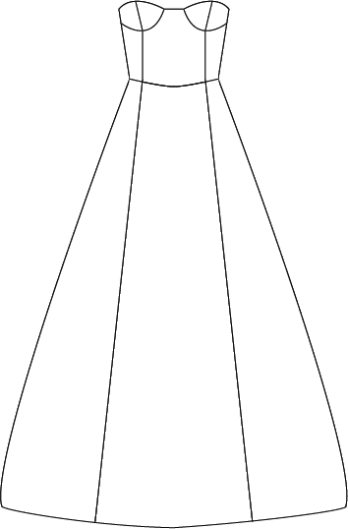 sketch |  | 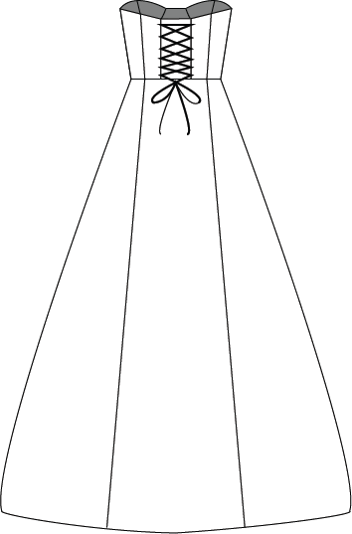 sketch |  |  | Fabric Swatch |  |  |  |  | PROCESS | INK COLORS | INK COLORS | INK COLORS | INK COLORS | INK COLORS | INK COLORS |  | ribbon | 1105 |  | 1/4 inch | Michael Levine | Back lacing | 1 1/2 yds
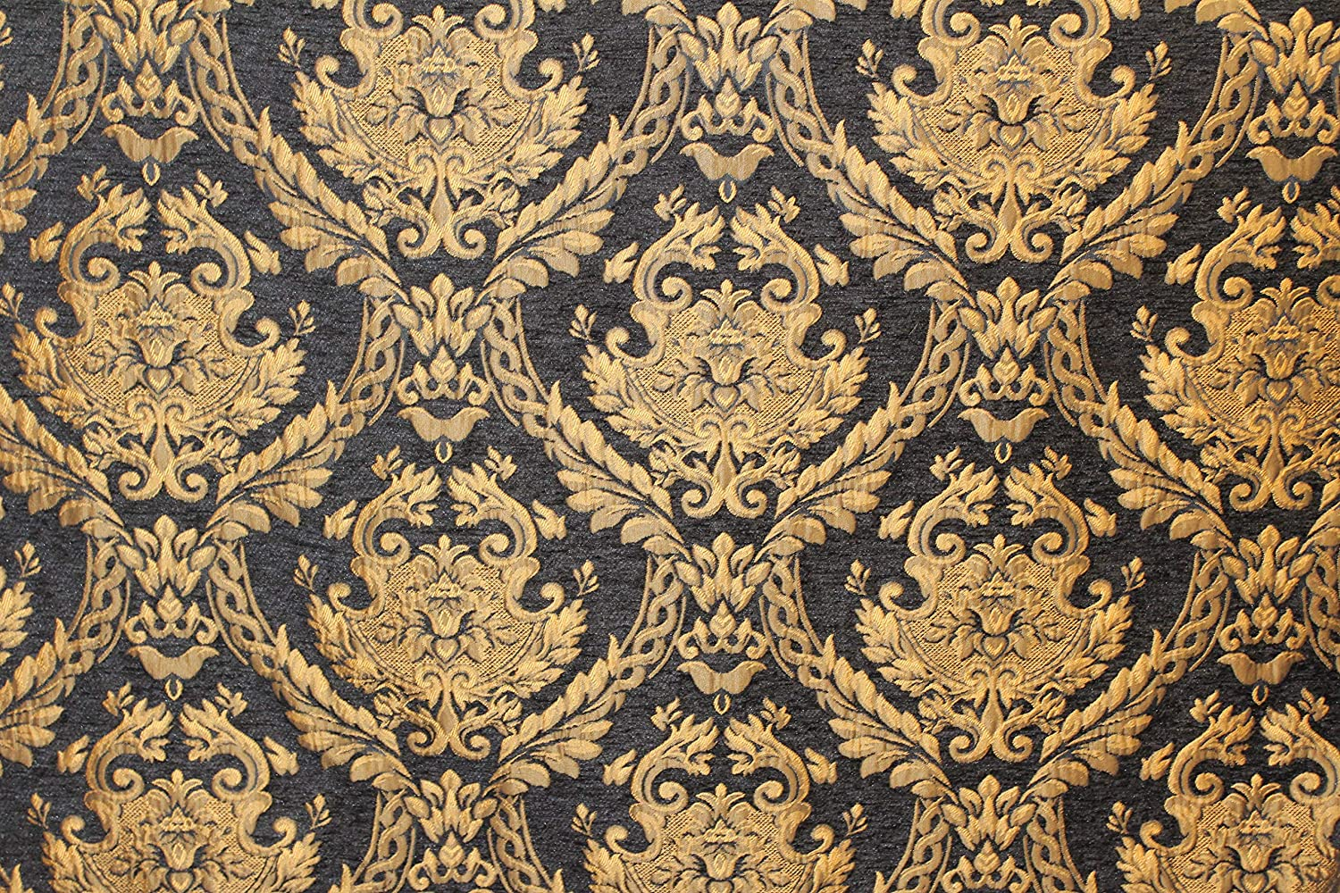
 |  |  |  |  |  |  |  |  | 1 |  |  |  |  |  |  |  |  |  |  |  |  |  |  |  |  |  |  |  |  |  |  |  |  |  |  |  | MARBLE
 |  |  |  |  |  |  |  |  |  |  |  |  |  |  |  |  |  |  |  |  |  |  |  |  |  |  |  |  |  |  |  |  |  |  |  |  | GRANITE
 |  |  |  |  |  |  |  |  |  |  |  |  |  |  |  |  |  |  |  |  |  |  |  |  |  |  |  |  |  |  |  |  |  |  |  |  | SPECKLE
 |  |  |  |  |  |  |  |  | 2 |  |  |  |  |  |  |  |  |  |  |  |  |  |  |  |  |  |  |  |  |  |  |  |  |  |  |  |  |  |  |  |  |  |  |  | LABEL BACK
 |  |  |  |  |  |  |  |  |  |  |  |  |  |  |  |  |  |  |  |  |  |  |  |  |  |  |  |  |  | PLACEMENT | FRONT:

 |  |  |  |  |  |  |  |  | 3

 |  |  |  |  |  |  |  |  | 4
 |  |  |  |  |  |  |  |  |  |  |  |  |  |  |  |  |  | FABRIC: | Satin |  |  |  |  |  |  |  |  |  |  |  |  |  |  |  |  |  |  |  |  |  |  |  |  |  | CARE LABEL
 |  |  |  |  |  |  |  |  |  |  |  |  |  |  |  |  |  |  |  |  |  |  |  |  |  |  |  |  |  |  |  |  |  | ARTWORK:BACK
 |  |  |  |  |  |  |  |  | BACK |  |  |  |  |  |  |  |  | WASHING / FINISHING: |  | Gentle wash |  |  |  |  |  |  |  |  |  | PLACEMENT | BACK:

FABRIC | DESCRIPTION |  |  | ARTICLE/MILL | COLOR 1 | COLOR 2 | COLOR 3
polyester | Damask Tapestry Chenille Fabric |  |  | #224 Royal Fabrics | gold | black |  |  | 1
satin | Red Bridal Satin |  |  | #38 Michael Levine | red |  |  |  |  |  |  |  |  |  |  |  |  |  |  |  |  |  |  |  |  |  |  |  |  |  |  |  |  |  |  |  |  |  |  |  |  |  |  |  | LABELS / PACKAGING
 |  |  |  |  |  |  |  |  |  |  |  |  |  |  |  |  |  |  |  |  |  |  |  |  |  |  |  |  |  |  |  |  |  |  |  |  |  |  |  |  |  |  |  |  |  | LABEL # | COLOR: | QTY: | VENDOR: | PLACEMENT:
 |  |  |  |  |  |  |  |  | 2 |  |  |  |  |  |  |  |  |  |  |  |  |  |  |  |  |  |  |  |  |  |  |  |  |  |  |  |  |  |  |  |  |  |  |  | MAIN LABEL | 1 | Black | 1 |  | Side back left
 |  |  |  |  |  |  |  |  |  |  |  |  |  |  |  |  |  |  |  |  |  |  |  |  |  |  |  |  |  |  |  |  |  |  |  |  |  |  |  |  |  |  |  |  | COUNTRY OF ORIGIN |  | USA
 |  |  |  |  |  |  |  |  |  |  |  |  |  |  |  |  |  |  |  |  |  |  |  |  |  |  |  |  |  |  |  |  |  |  |  |  |  |  |  |  |  |  |  |  | CARE LABEL |  |  | 1
 |  |  |  |  |  |  |  |  |  |  |  |  |  |  |  |  |  |  |  |  |  |  |  |  |  |  |  |  |  |  |  |  |  |  |  |  |  |  |  |  |  |  |  |  | CARE CONTENT | Dry Clean Only
 |  |  |  |  |  |  |  |  | 3 |  |  |  |  |  |  |  |  |  |  |  |  |  |  |  |  |  |  |  |  |  |  |  |  |  |  |  |  |  |  |  |  |  |  |  | SIZE LABEL | M
 |  |  |  |  |  |  |  |  |  |  |  |  |  |  |  |  |  |  |  |  |  |  |  |  |  |  |  |  |  |  |  |  |  |  |  |  |  |  |  |  |  |  |  |  | HANG TAG |  |  | 1

 |  |  |  |  |  |  |  |  | 4

POINTS OF MEASURE (POM)
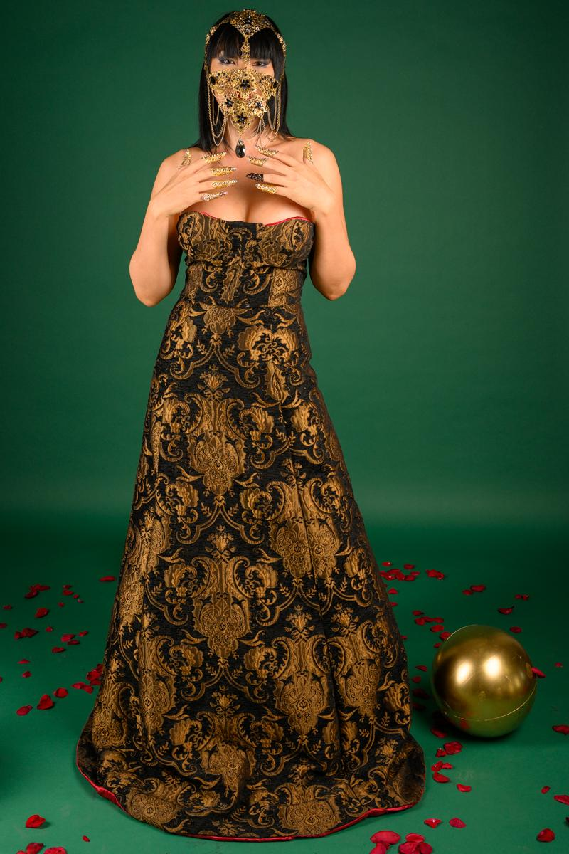

Pom 21
POM 19

Pom 8
POM 13

